Sheet1
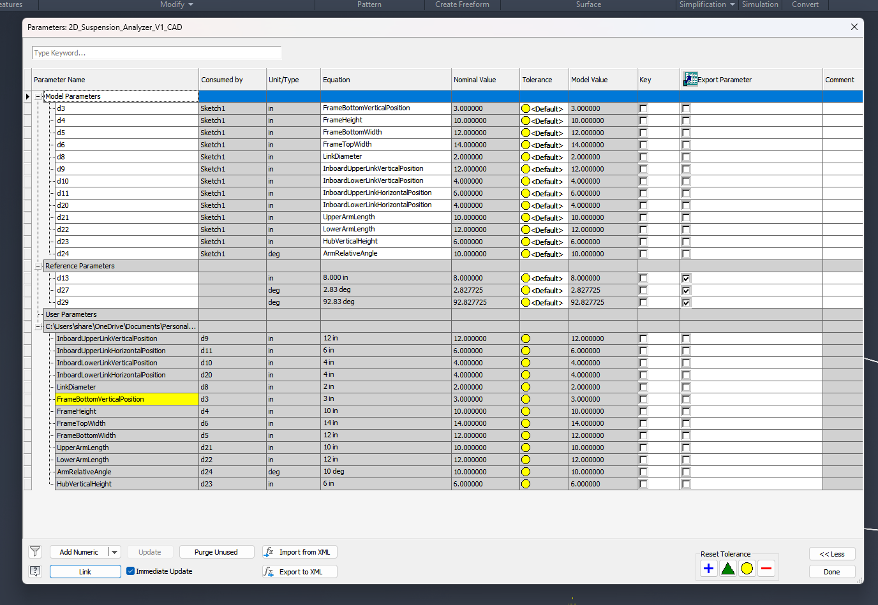
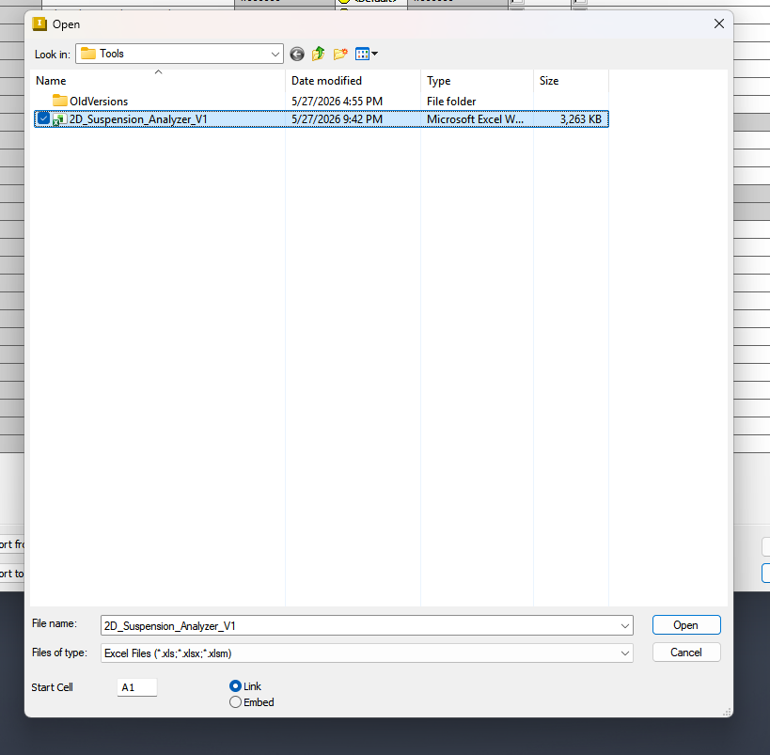
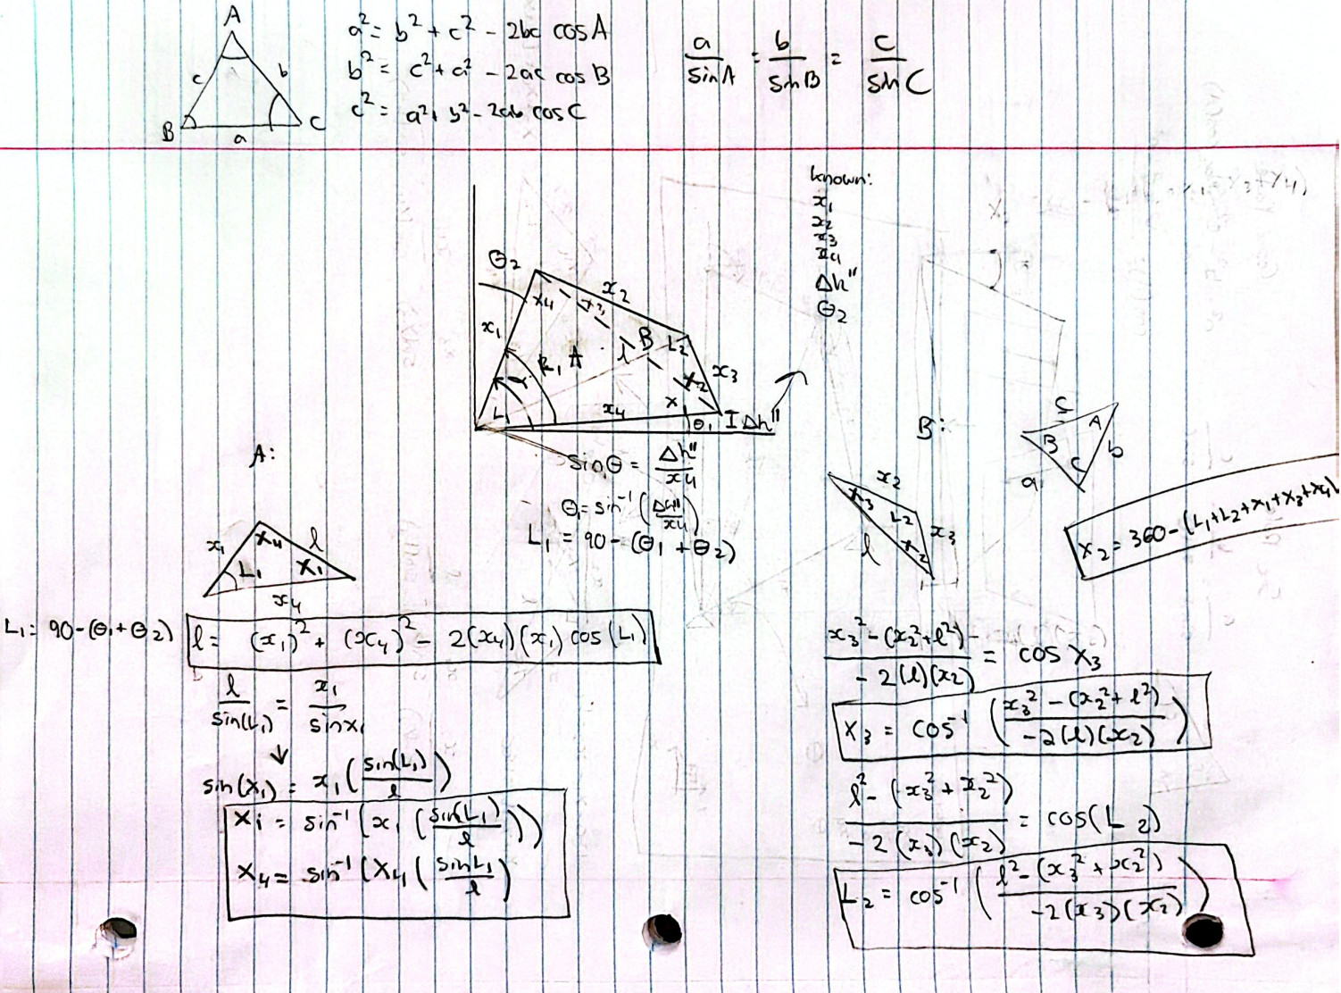
Parameter | Value | Units | Comments | Suspension Geometry Configuration
InboardUpperLinkVerticalPosition | 12 | in |  | Geometry Inputs | Value | Unit | Description
InboardUpperLinkHorizontalPosition | 6 | in |  | A_horiz | 4 | in | Inboard lower pivot horizontal positon
InboardLowerLinkVerticalPosition | 4 | in |  | A_vert | 4 | in | Inboard lower pivot vertical position
InboardLowerLinkHorizontalPosition | 4 | in |  | B_horiz | 5 | in | Inboard upper pivot horizontal position
LinkDiameter | 2 | in |  | B_vert | 6.5 | in | Inboard upper pivot vertical position
FrameHeight | 10 | in |  | D_vert | 4.5 | in | Outboard lower pivot vertical position at rest
FrameTopWidth | 14 | in |  | x2 | 4 | in | Upper arm length
FrameBottomWidth | 12 | in |  | x3 | 2 | in | Outboard link linear spacing
UpperArmLength | 10 | in |  | x4 | 6 | in | Lower arm length
LowerArmLength | 12 | in |  | delta_d | 1 | in | suspension vertical travel (vertical distance between instantaneous height and lower outboard resting height)
ArmRelativeAngle | 10 | deg
HubVerticalHeight | 6 | in |  | Calculated Intermediate Values
 |  |  |  | Parameter Name | Value | Unit | Description
 |  |  |  | x1 |  | in | Inboard link linear spacing
 |  |  |  | d' |  | in | vertical distance between inboard and outboad lower links
 |  |  |  | theta_1 |  | deg | Lower arm angle to horizonal
 |  |  |  | theta_2 |  | deg | Angle between imaginary 4th link and vertical
 |  |  |  | D_horiz |  | in | Outboard lower pivot horizontal position (track width kinda)

 |  |  |  | Caluclated Final Values
 |  |  |  | Parameter Name | Value | Unit | Description
 |  |  |  | Angle_A |  | deg
 |  |  |  | l |  | in
 |  |  |  | Angle_B |  | deg
 |  |  |  | Angle_C |  | deg
 |  |  |  | Angle_D |  | deg
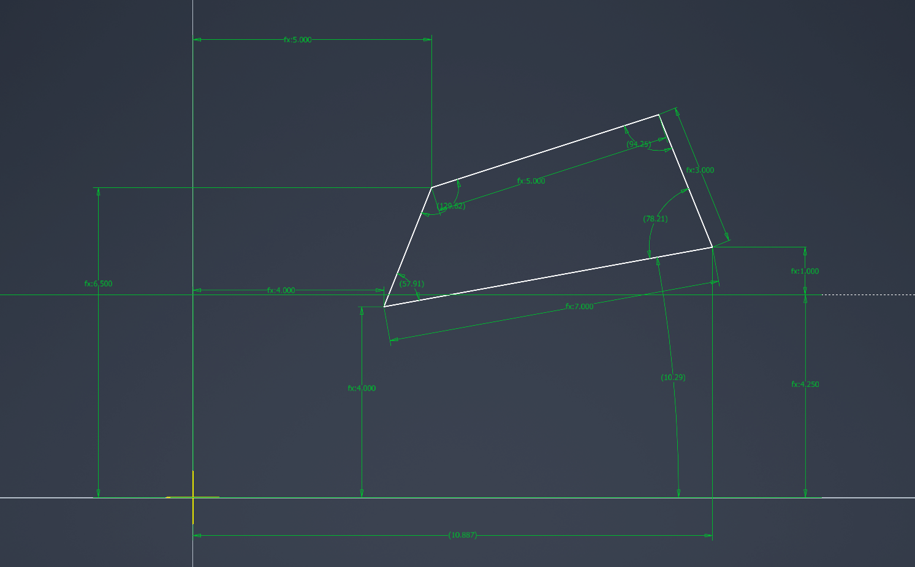
 |  |  |  | theta_3' |  | deg
 |  |  |  | theta_3 |  | deg
 |  |  |  | camber |  | deg | steez

